Sheet1
Michigan Diabetes Research Center (MDRC)
Chemistry Laboratory

The MDRC Chemistry Laboratory is partially funded by an NIH grant. When publishing data generated by the MDRC Chemistry Laboratory, please include this statement in the acknowledgements section of your manuscript:

"The project described was supported by Grant Number P30DK020572 (MDRC) from the National Institute of Diabetes and Digestive and Kidney Diseases"

Mouse Insulin ELISA Assay Results Sheet

 | Assay: | 17 |  | Assay Date: | 4/20/22

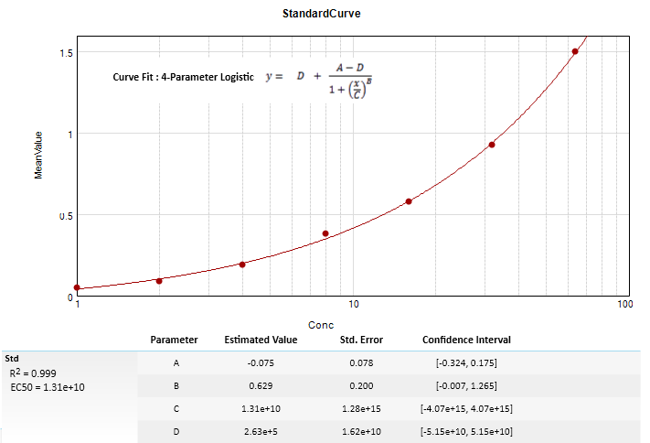

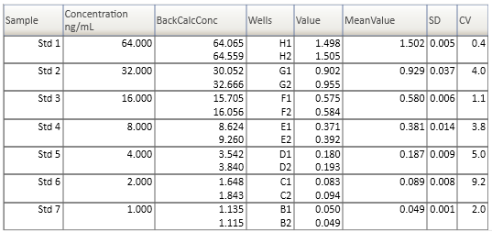

 |  | Mouse Insulin ELISA Assay Range: 1.1 - 64.3 ng/mL

 |  |  | H = Hemolyzed sample |  |  | L = Lipemic sample
 |  |  | HI = Above Assay Range |  |  | LO = Below Assay Range
 |  |  | SD = Poor Replicates (SD >20%) |  |  | RR = Rerun (no charge)

 |  |  | Date |  |  |  |  | Insulin
UK# | Investigator | Acc # | Rec'ed | Patient ID | Date | Code | Comment | ng/mL
1 | Myers | 22-08 | 4/19/22 | B0543 | 4/19/22 * |  |  | 1.2
2 | (A.Tomlinson) |  |  | B0541 |  |  |  | 1.2
3 |  |  |  | B0545 |  |  |  | 1.6
4 |  |  |  | B0770 |  |  |  | 2.7
5 |  |  |  | B0771 |  |  |  | 15.5
6 |  |  |  | B0772 |  |  |  | 2.1
7 |  |  |  | B0546 |  |  |  | 1.4
8 |  |  |  | B0773 |  |  |  | 1.4
9 | VGRe | F | KO | G0657 |  |  |  | 11.3
10 | VGRe | F | KO | G0708 |  |  |  | 28.9
11 | VGRe | F | KO | C0404 |  |  |  | 1.3
12 | VGRe | F | LepR(Vgat)Re | G0479 |  |  |  | 1.1
13 | VGRe | F | LepR(Vgat)Re | G0614 |  |  |  | 1.1
14 | VGRe | F | LepR(Vgat-Glp1R)Re | G0734 |  |  | HI | > 64.3
15 | VGRe | F | LepR(Vgat-Glp1R)Re | C0751 |  |  |  | 1.7
16 | VGRe | F | LepR(Vgat-Glp1R)Re | C0916 |  |  |  | 8.6
17 | VGRe | M | KO | C0382 |  |  | HI | > 64.3
18 | VGRe | M | KO | C0924 |  |  |  | 39.8
19 | VGRe | M | LepR(Vgat)Re | G0535 |  |  |  | 3.2
20 | VGRe | M | LepR(Vgat)Re | C0410 |  |  |  | 5.3
21 | VGRe | M | LepR(Vgat-Glp1R)Re | C0415 |  |  |  | 16.1
22 |  |  |  | B0448 |  |  |  | 7.4
23 |  |  |  | C0734 |  |  |  | 6.0
24 |  |  |  | C0426 |  |  |  | 4.2
25 |  |  |  | 923 |  |  |  | 1.1
26 |  |  |  | 926 |  |  | LO | < 1.1
27 |  |  |  | 924 |  |  |  | 1.5
28 |  |  |  | 925 |  |  | LO | < 1.1
29 |  |  |  | 910 |  |  |  | 1.2
30 |  |  |  | 755 |  |  |  | 1.2
31 |  |  |  | 729 |  |  |  | 1.2
32 |  |  |  | 4724#2 |  |  | Note ** | -----
33 |  |  |  | 4721 |  |  |  | 1.1
34 |  |  |  | 4722 |  |  | LO | < 1.1
35 |  |  |  | 4727 |  |  |  | 1.4
36 |  |  |  | 756 |  |  |  | 1.1
37 |  |  |  | 914 |  |  |  | 1.4
38 |  |  |  | 757 |  |  |  | 2.2
39 |  |  |  | 928 |  |  |  | 1.5
40 |  |  |  | 916 |  |  |  | 5.9

 | * Date samples were submitted.

 | Note ** - Tube for sample 4724#2 was empty.

